Sheet1
DATE | DESCRIPTION | QUANTITY | PRICE | BILLS | SUBTOTAL | TOTAL
4-Oct-2025 | PRAWN 20 | 2 | IDR 180,000 | 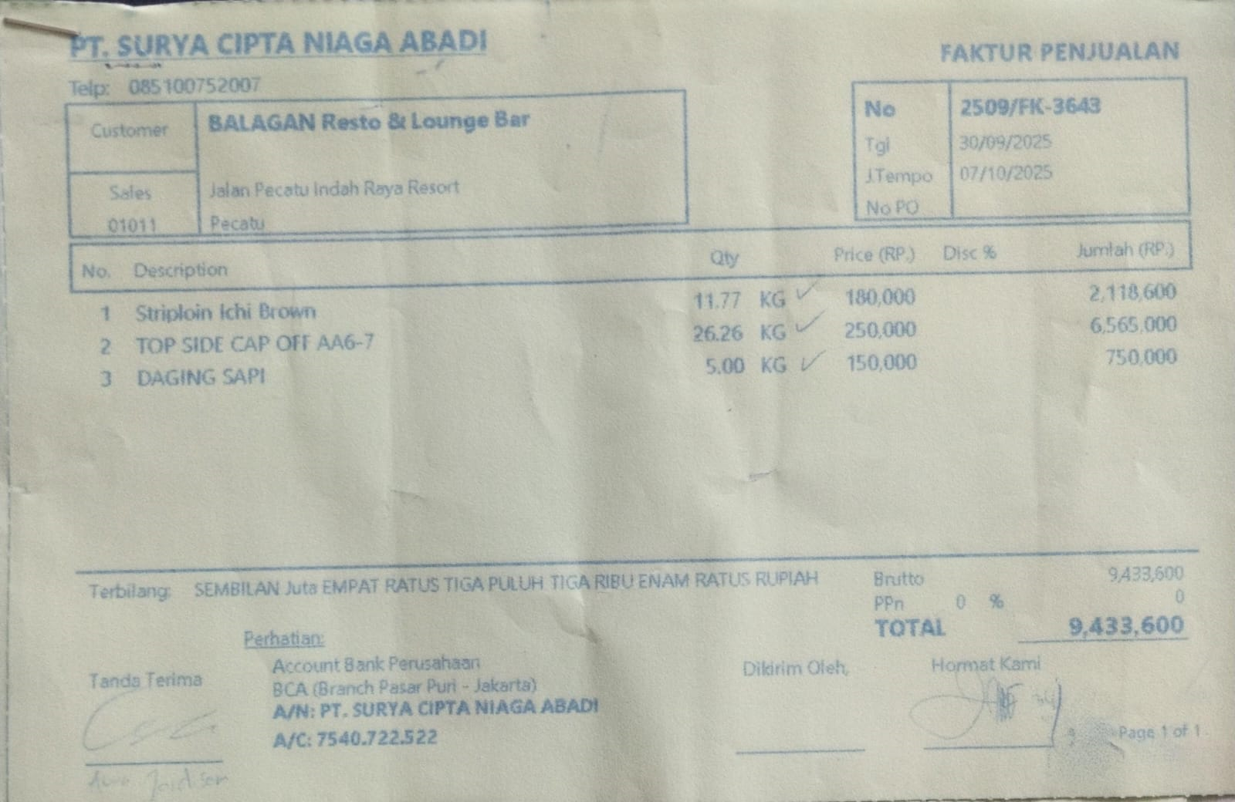 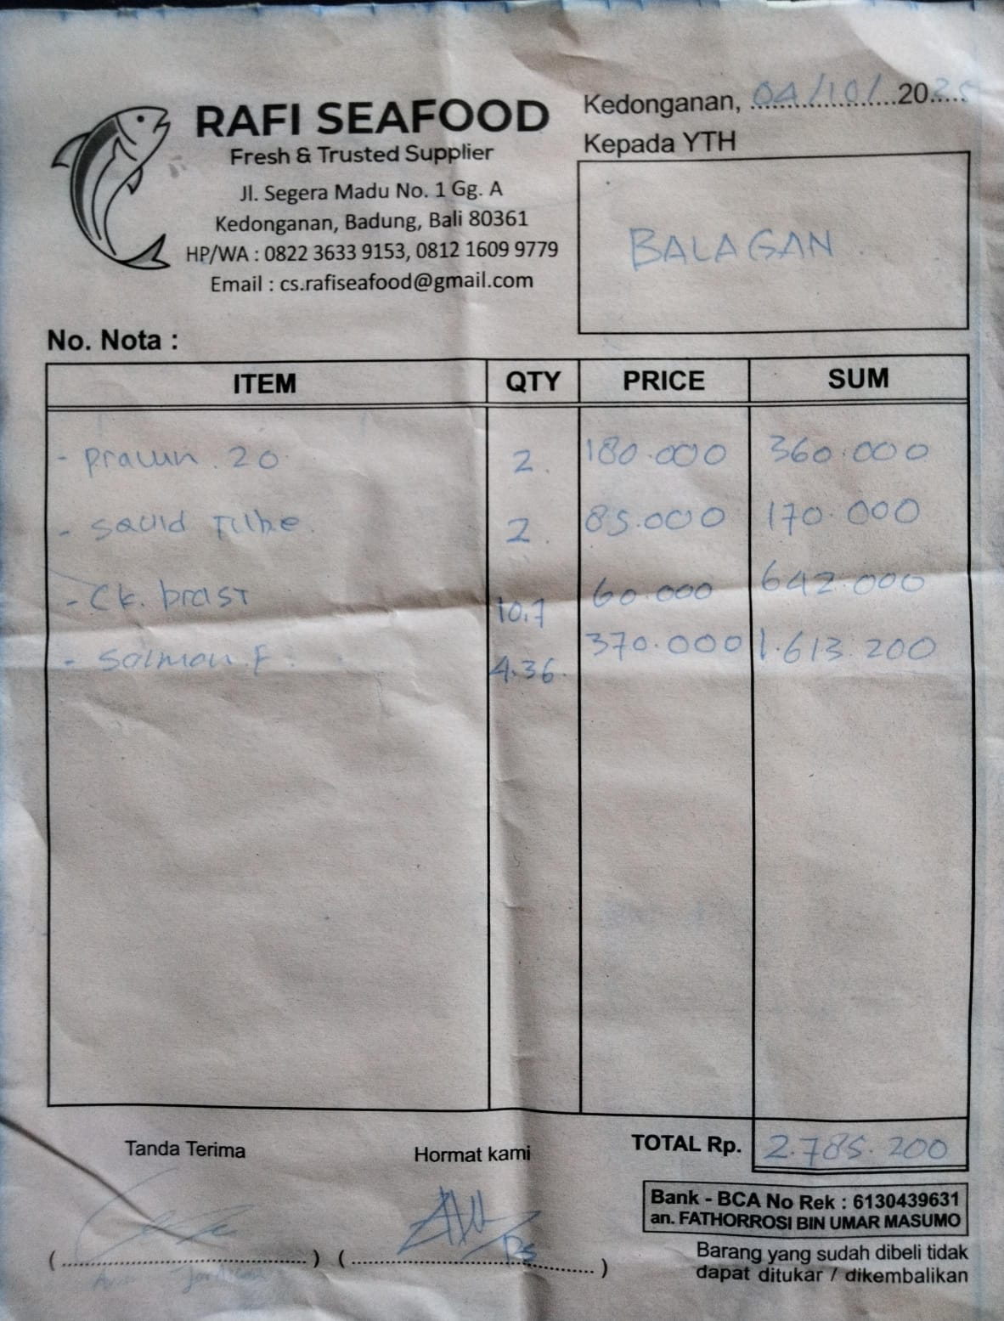 | IDR 360,000 | IDR 2,785,200
 | CUMI TUBE | 2 | IDR 85,000 |  | IDR 170,000
 | CHICKEN BREAST | 10.7 | IDR 60,000 |  | IDR 642,000
 | SALMON FILLET | 4.36 | IDR 370,000 |  | IDR 1,613,200
6-Oct-2025 | TUNA FILLET | 13.4 | IDR 115,000 | 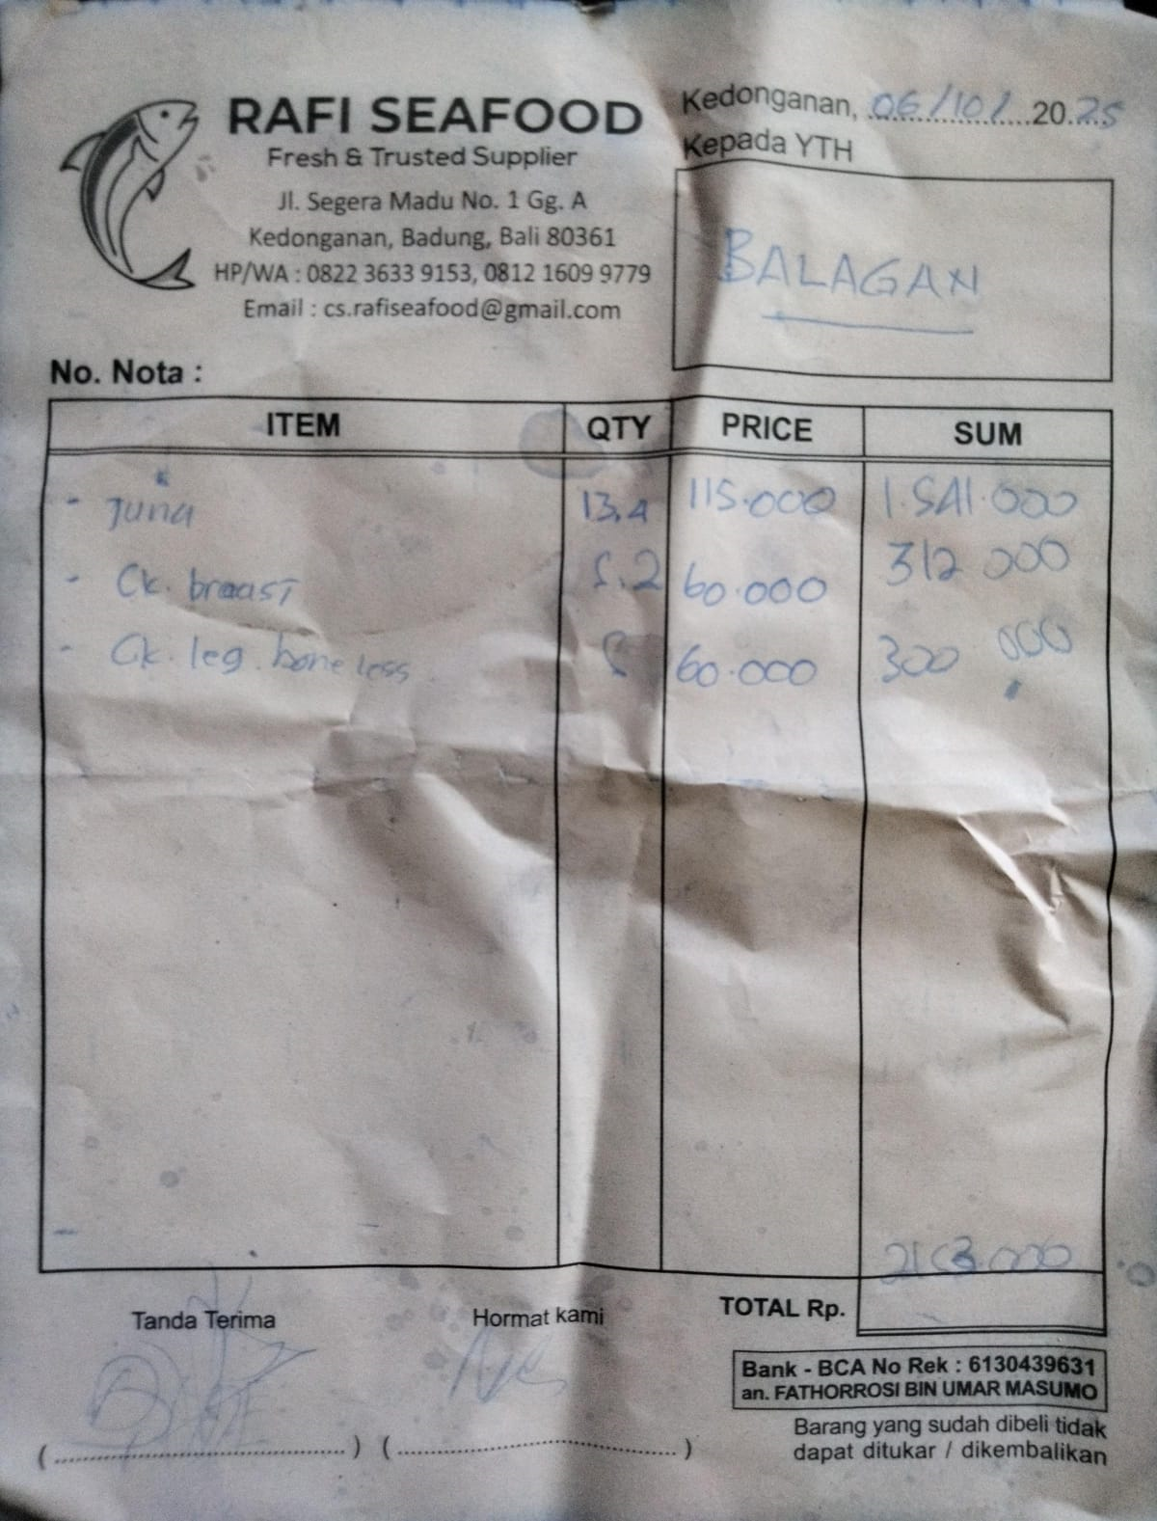 | IDR 1,541,000 | IDR 2,153,000
 | CHICKEN BREAST | 5.2 | IDR 60,000 |  | IDR 312,000
 | CHICKEN LEG | 5 | IDR 60,000 |  | IDR 300,000
8-Oct-2025 | PRAWN 20 | 3 | IDR 185,000 | 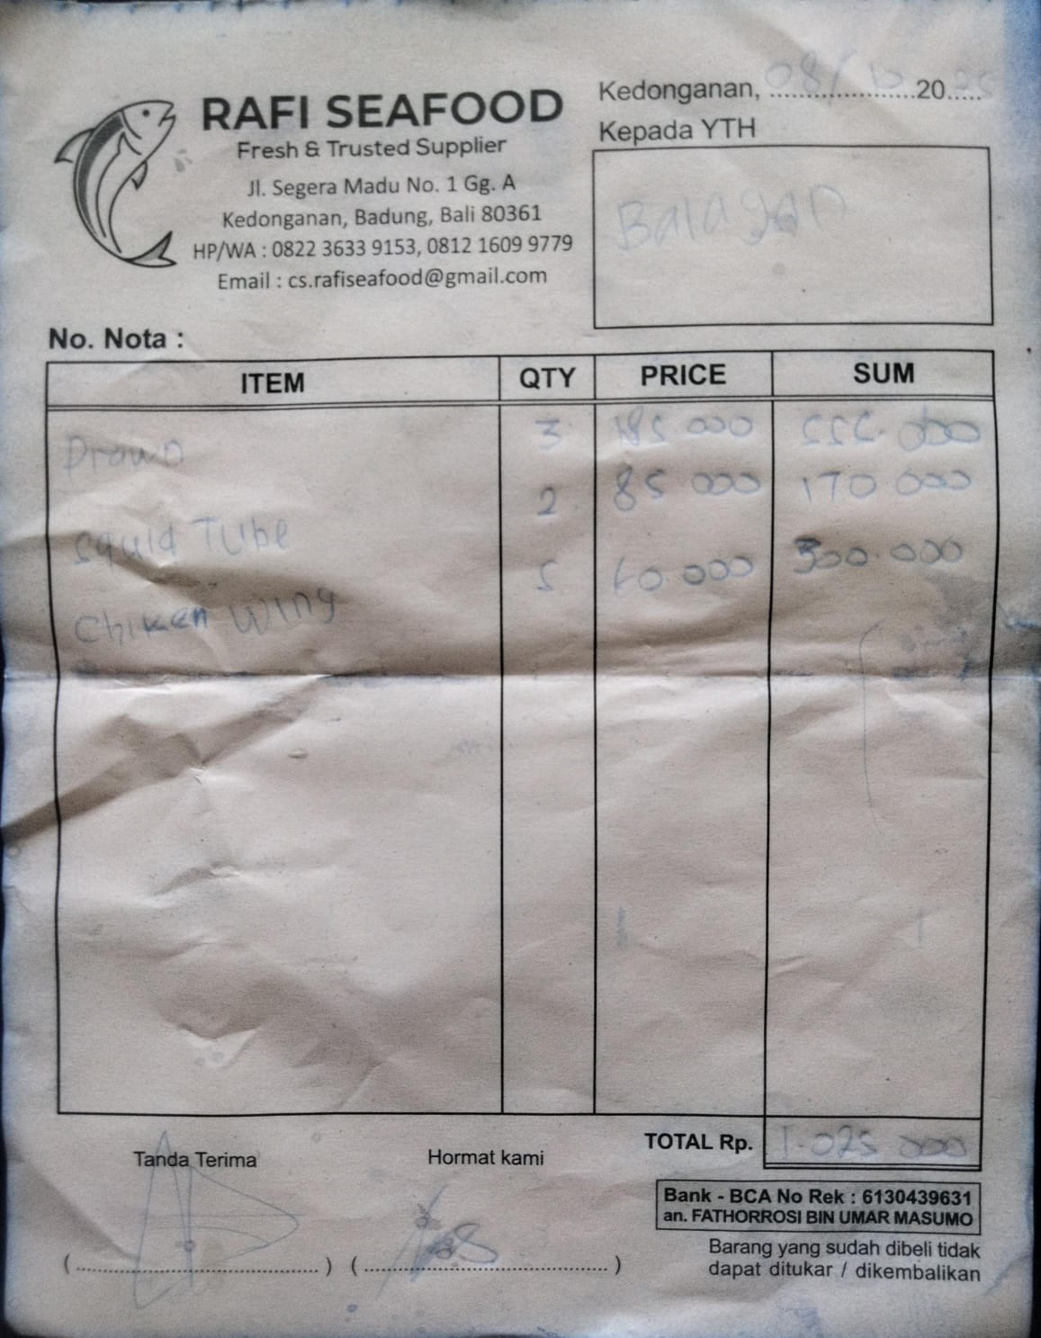 | IDR 555,000 | IDR 1,025,000
 | SQUID TUBE | 2 | IDR 85,000 |  | IDR 170,000
 | CHICKEN WINGS | 5 | IDR 60,000 |  | IDR 300,000
11-Oct-2025 | PRAWN 20 | 1 | IDR 180,000 | 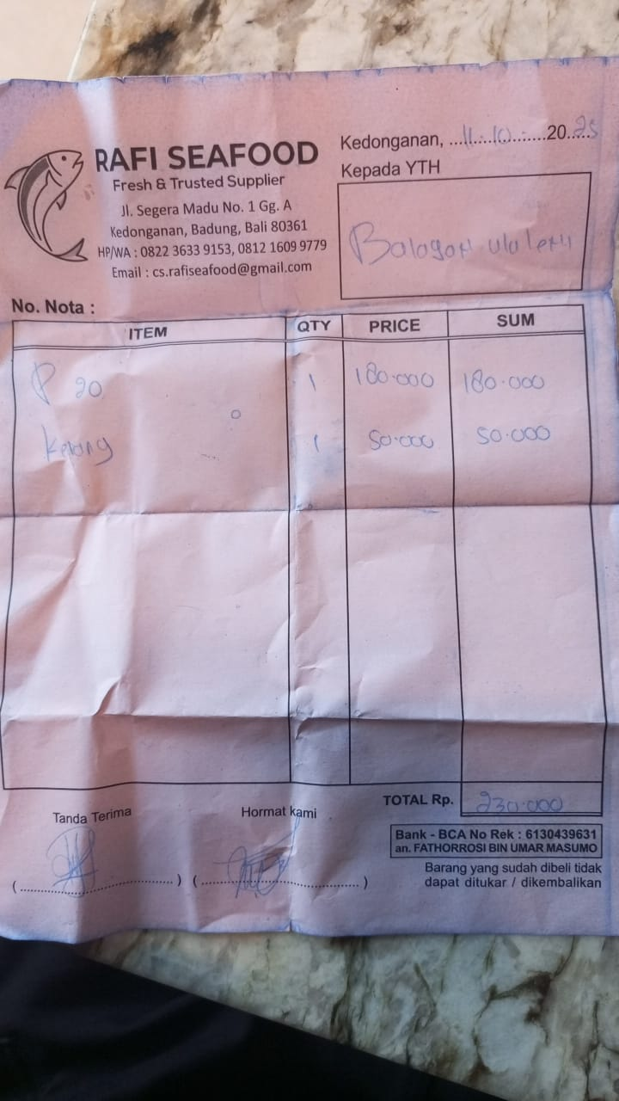 | IDR 180,000 | IDR 230,000
 | OYSTER | 1 | IDR 50,000 |  | IDR 50,000
12-Oct-2025 | SALMON FILLET | 3.4 | IDR 370,000 | 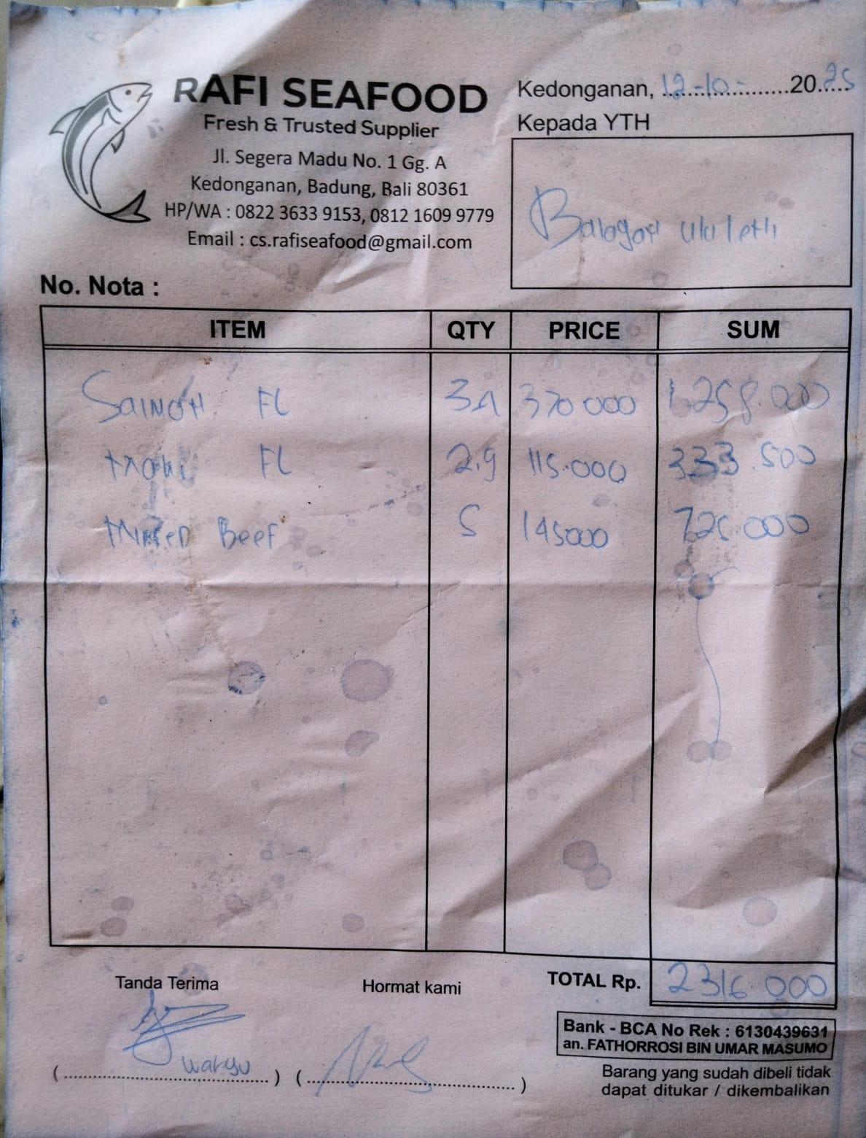 | IDR 1,258,000 | IDR 2,316,500
 | MAHI-MAHI FILLET | 2.9 | IDR 115,000 |  | IDR 333,500
 | MINCED BEEF | 5 | IDR 145,000 |  | IDR 725,000
14-Oct-2025 | PRAWN 20 | 3 | IDR 180,000 | 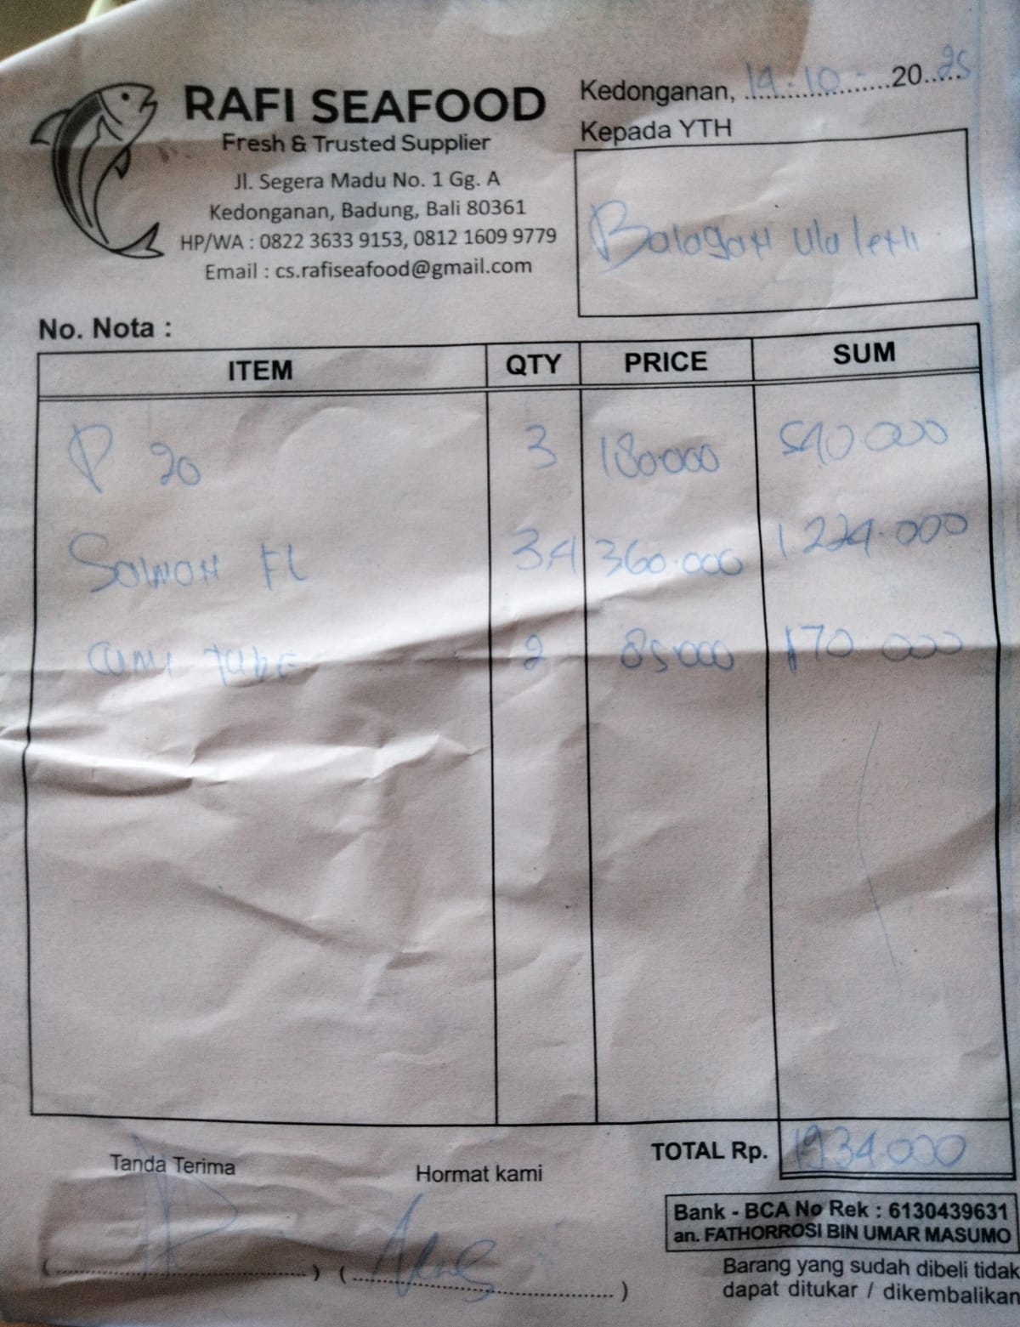 | IDR 540,000 | IDR 1,934,000
 | SALMON FILLET | 3.4 | IDR 360,000 |  | IDR 1,224,000
 | CUMI TUBE | 2 | IDR 85,000 |  | IDR 170,000
15-Oct-2025 | TUNA FILLET | 7 | IDR 115,000 | 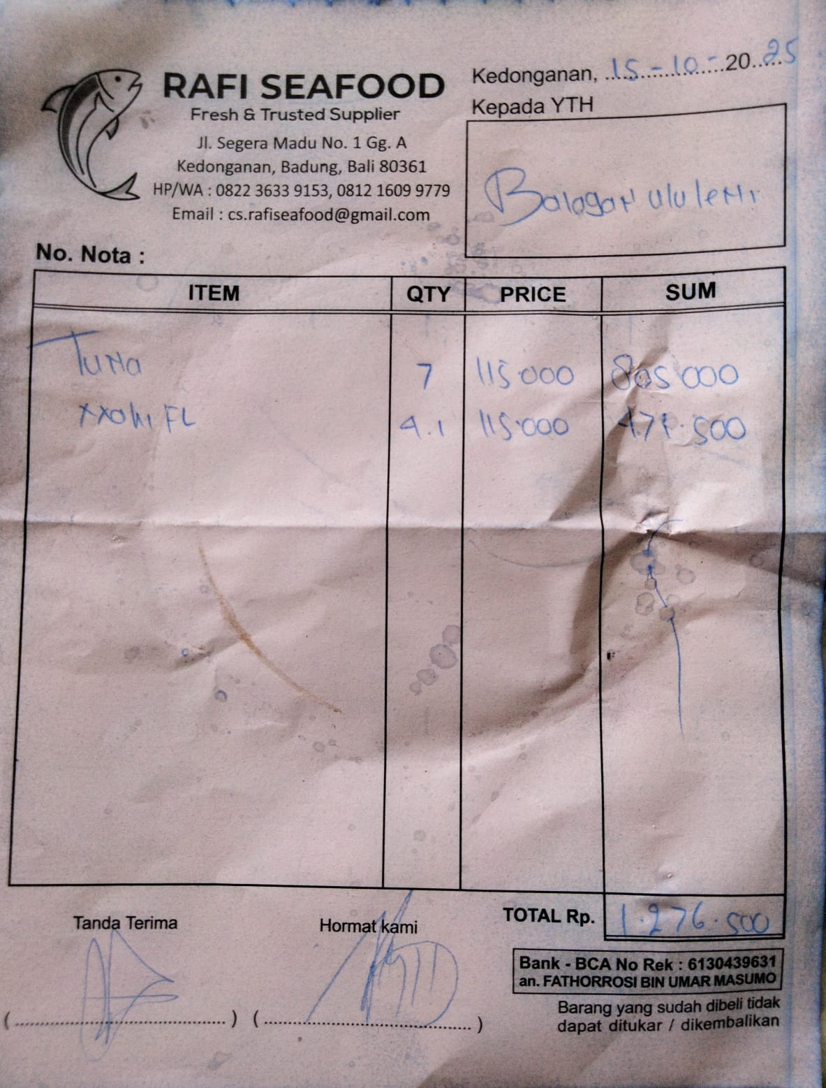 | IDR 805,000 | IDR 1,276,500
 | MAHI-MAHI FILLET | 4.1 | IDR 115,000 |  | IDR 471,500
18-Oct-2025 | SALMON FILLET | 3.6 | IDR 370,000 | 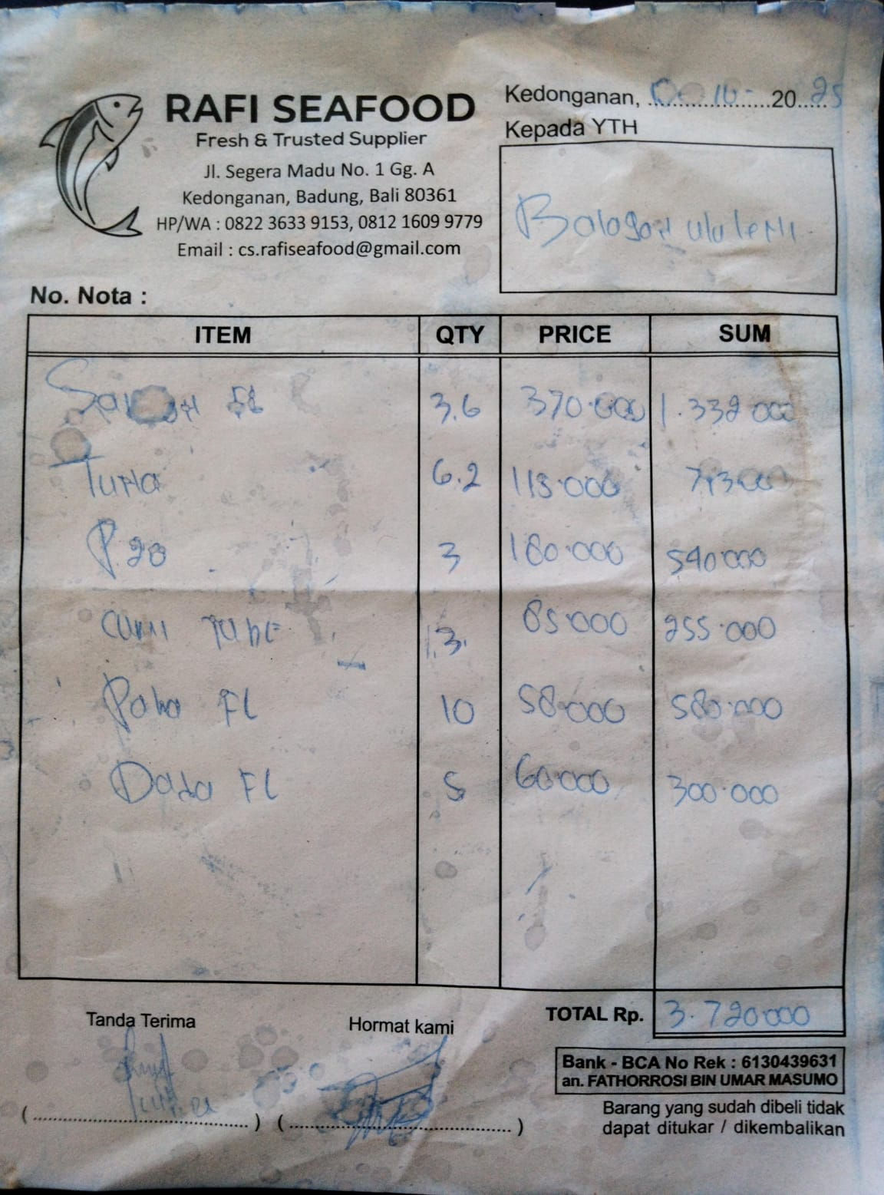 | IDR 1,332,000 | IDR 3,720,000
 | TUNA FILLET | 6.2 | IDR 115,000 |  | IDR 713,000
 | PRAWN 20 | 3 | IDR 180,000 |  | IDR 540,000
 | CUMI TUBE | 3 | IDR 85,000 |  | IDR 255,000
 | CHICKEN LEG | 10 | IDR 58,000 |  | IDR 580,000
 | CHICKEN BREAST | 5 | IDR 60,000 |  | IDR 300,000
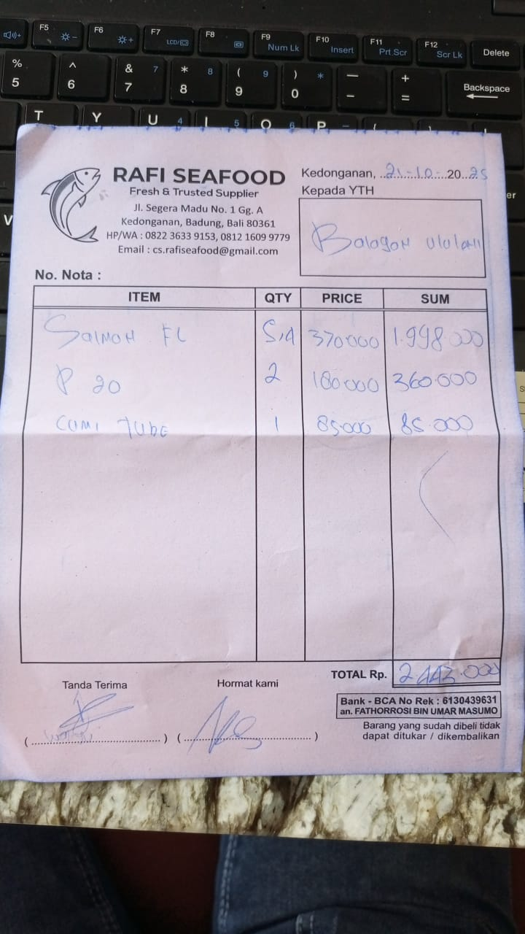
21-Oct-2025 | SALMON FILLET | 5.4 | IDR 370,000 |  | IDR 1,998,000 | IDR 2,443,000
 | PRAWN 20 | 2 | IDR 180,000 |  | IDR 360,000
 | CUMI TUBE | 1 | IDR 85,000 |  | IDR 85,000
29-Oct-2025 | PRAWN 20 | 3 | IDR 185,000 | 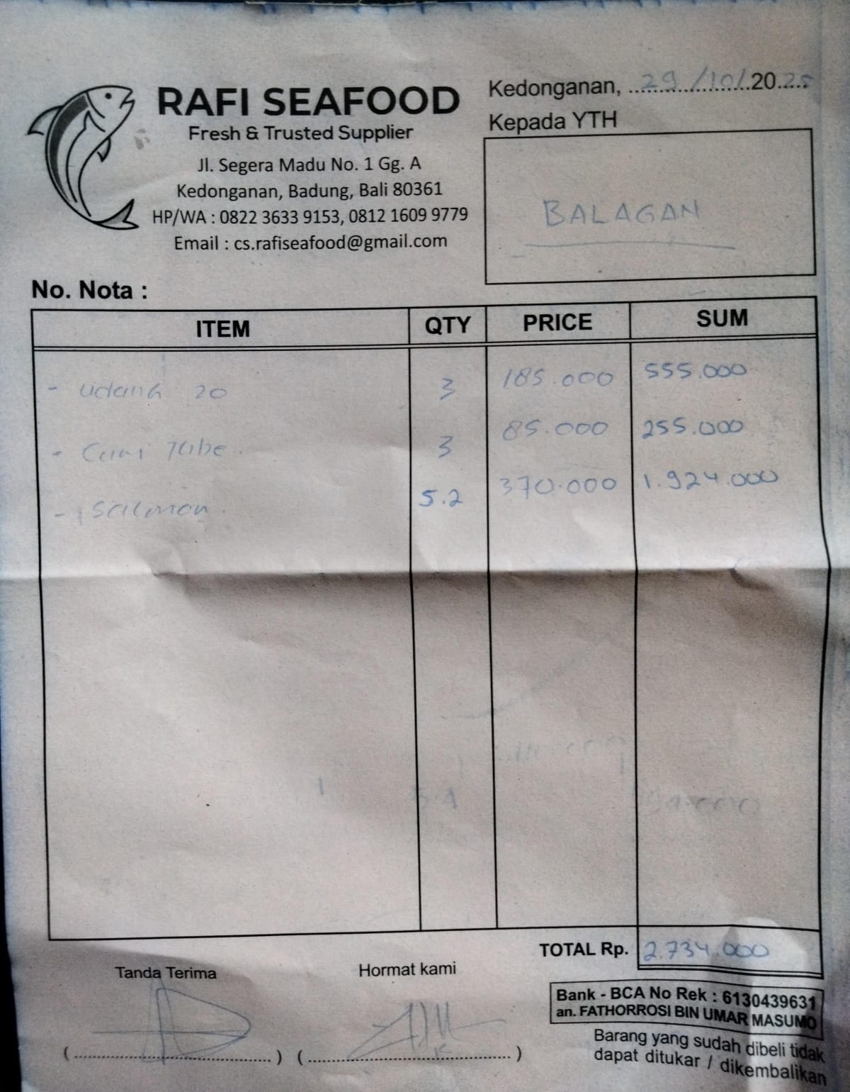 | IDR 555,000 | IDR 2,734,000
 | CUMI TUBE | 3 | IDR 85,000 |  | IDR 255,000
 | SALMON FILLET | 5.2 | IDR 370,000 |  | IDR 1,924,000

 |  |  | Rp20,617,200

